Inquiry
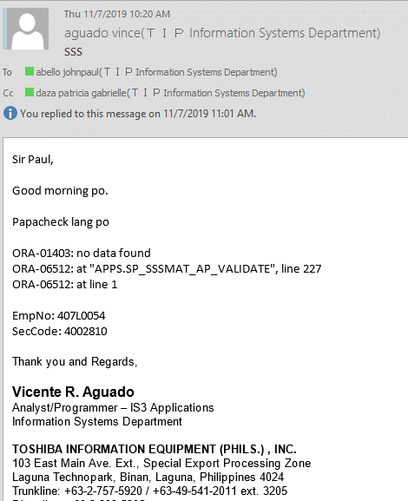

Checking
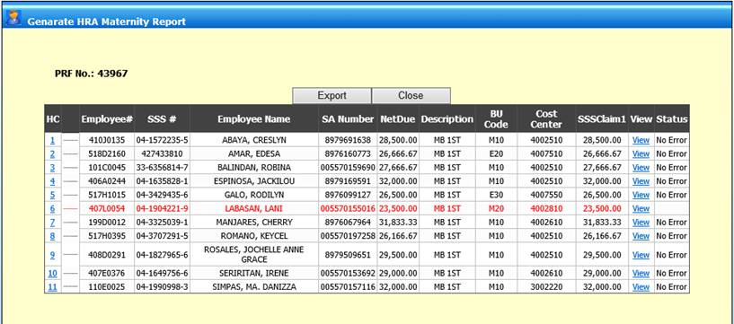

New Cost Center 4002810

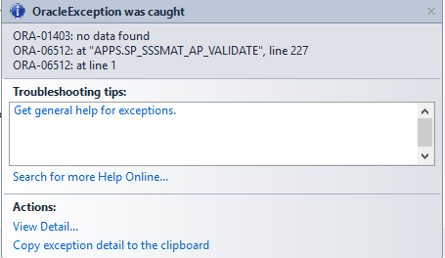
ORA-01403: no data found
ORA-06512: at "APPS.SP_SSSMAT_AP_VALIDATE", line 227
ORA-06512: at line 1

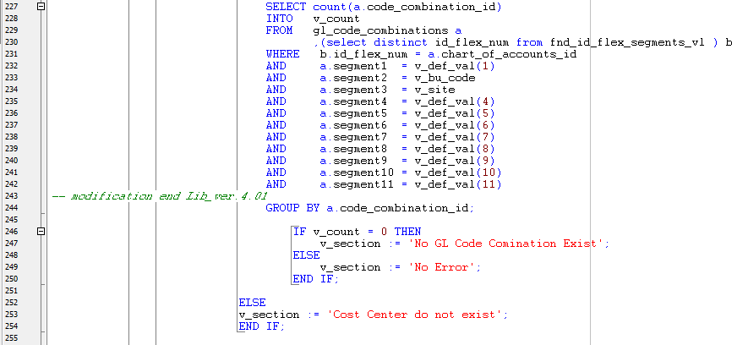

LINE 227: No data Found
v_bu_code is null

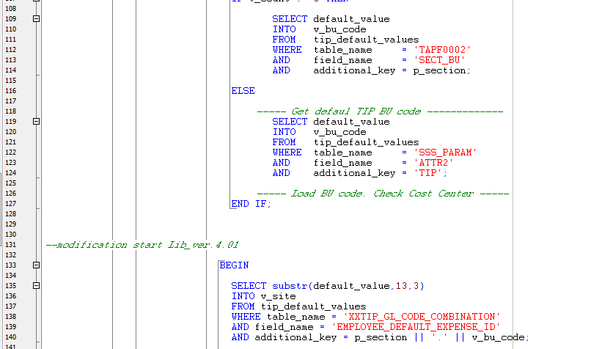

NO SET UP IN TIP_DEFAULT_VALUES for v_bu_code TABLE NAME: TAPF0002 FIELD_NAME: SECT_BU

Recovery
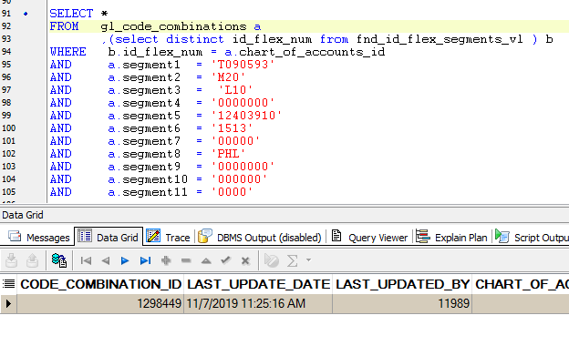
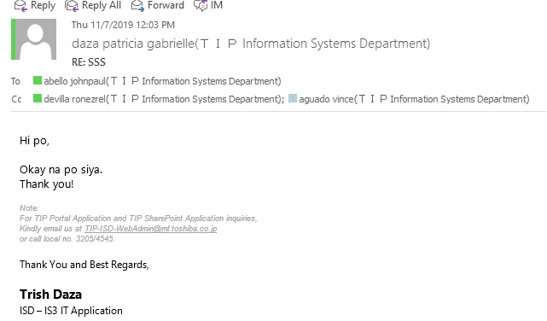
SET UP
New Cost Center 4002810

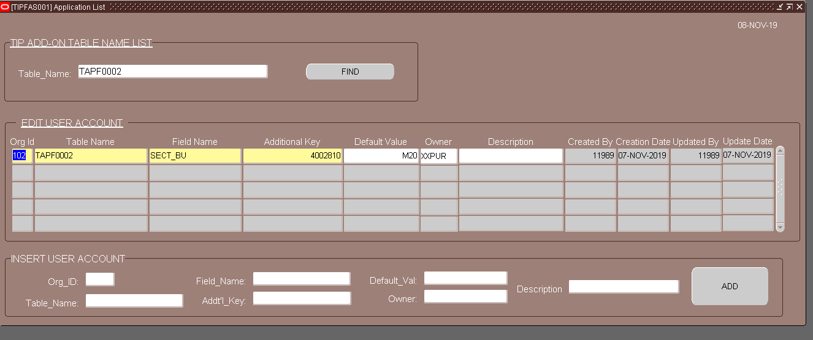

Create equivalent code combination for the new Cost Center and veriy with FIA

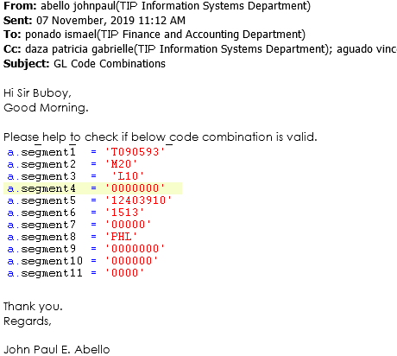
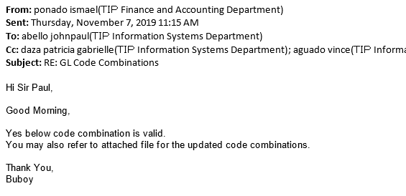

Proceed with set up in GL_CODE_COMBINATIONS

Program Source
